Chart 1
Chart 1: Age profile of school based teachers
Full Time Equivalents (FTE)

Teachers (fte)
Age | 2011 | 2021
20 | 6 | *
21 | 187 | 175
22 | 542 | 605
23 | 740 | 984
24 | 944 | 1,274
25 | 1,055 | 1,448
26 | 1,249 | 1,559
27 | 1,343 | 1,695
28 | 1,515 | 1,733
29 | 1,393 | 1,693
30 | 1,352 | 1,717
31 | 1,353 | 1,518
32 | 1,300 | 1,469
33 | 1,129 | 1,485
34 | 1,050 | 1,546
35 | 1,029 | 1,485
36 | 978 | 1,510
37 | 983 | 1,560
38 | 1,014 | 1,695
39 | 1,125 | 1,563
40 | 1,133 | 1,562
41 | 1,093 | 1,619
42 | 1,110 | 1,547
43 | 1,066 | 1,407
44 | 1,078 | 1,306
45 | 1,066 | 1,359
46 | 1,138 | 1,313
47 | 1,152 | 1,243
48 | 1,247 | 1,269
49 | 1,244 | 1,376
50 | 1,295 | 1,369
51 | 1,217 | 1,261
52 | 1,443 | 1,217
53 | 1,726 | 1,143
54 | 1,643 | 1,092
55 | 1,779 | 1,051
56 | 1,722 | 1,036
57 | 1,701 | 917
58 | 1,463 | 862
59 | 1,163 | 701
60 | 721 | 527
61 | 403 | 371
62 | 268 | 335
63 | 210 | 293
64 | 162 | 200
65 | 33 | 168
66 | 20 | 92
67 | 22 | 79
68 | 10 | 52

Chart 2
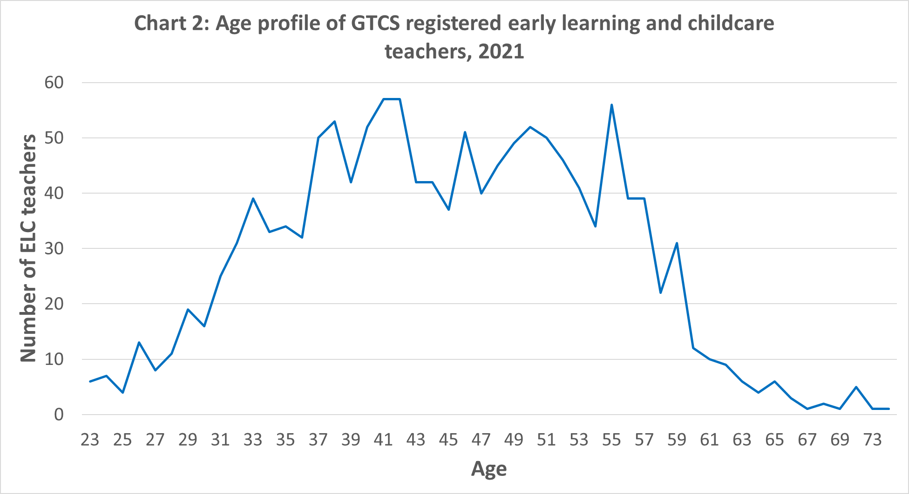
Chart 2: Age profile of GTCS registered early learning and childcare teachers

